Foglio1
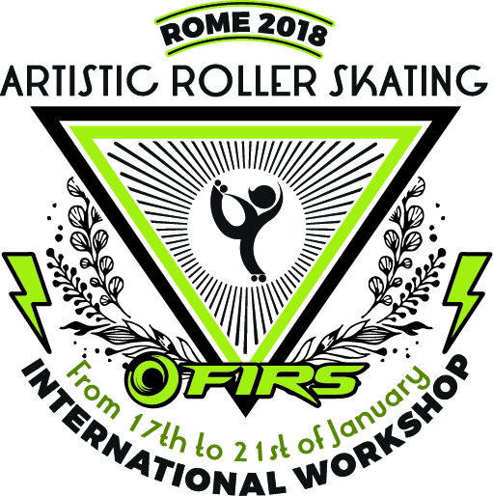
RESERVATION FORM
ARTISTIC ROLLER SKATING INTERNATIONAL SEMINAR

ROME - ITALY
17 - 21 January 2018

Please fill out the form in every field, sign it and send it by e-mail to operation@rollersports.org

Rooms:
Nr. of rooms | Type of room ( single - twin - triple) | Check-in date | Check-out date

Entry list:
First name | Last name | Date of birth (dd/mm/yyyy) | Email | Role (coach or judge) | FIRS Coach* (Y/N) | National Federation | Sharing with ** | Fee

 | * it is mandatory for the FIRS Coaches to send by email their curriculum vitae together with the reservation form.
 | ** in case of double or triple rooms choice, the name/s of the other room guest/s has to be entered and all their personal details has to be registered.

LOCATION
Auditorium Brodway Avenue
c/o The Church Village 3***
Via di Torre Rossa, 94 - Roma

ENTRY FEES
single room | 680 euro per person
twin room | 580 euro per person
triple room | 480 euro per person

The entry fee includes:
∙ 4 nights in Full Board treatment (starting with dinner on January the 17th, ending with lunch on January 21st) at The Church Village Hotel 3*** ;
∙ welcome Desk, Seminar, Simultaneous Translation (English, Spanish, Italian).

All the rooms will be booked on a first come, first served basis. In case the first hotel is fully booked, the only option will be a 4 **** that is just ten minute walk form there.
The 4**** hotel is available for an extra 25€ per day per person.

The entry fee does not include:
∙ the city tax (4€ for the3*** hotel and 6€ for the 4**** hotel per person per night) to be paid directly to the Hotel;
∙ the transfer service form and to the hotel.

PAYMENT:
The payment shall be made via bank transfer to
Beneficiary: FÉDÉRATION INTERNATIONALE ROLLER SPORTS
Bank: UBS Lausanne
Address: Place Saint-François, 16, 1003 Lausanne, Switzerland
Account no.: 0243-186105.60E
IBAN: CH580024324318610560E
BIC: UBSWCHZH80A
Reason of payment (MANDATORY):
Name and Surname of the subscriber/s_Artistic International Seminar

Booking will be considered confirmed after receiving the bank transfer copy at the e-mail below.
Please enclose the heading of the invoice to the e-mail.

The Registration Deadline is set on the 30th of November 2017.

CONTACT
ORGANIZING SECRETARIAT
e-mail: operation@rollersports.org
Phone: +39 06 69343803

Date:

